How to use
This calculation tool does not detail specific personnel allocations or staff vacancies. This form is a guide only and is not required for ASAM readiness review.

2. Indicate the current census at the site this LOC calculation is being made for. If current census is "0" please use the site average.
3. Input total hours for all staff at this site/LOC for the specified staffing category.
4. Repeat step 3 for all staff categories represented by this LOC/site's staff.
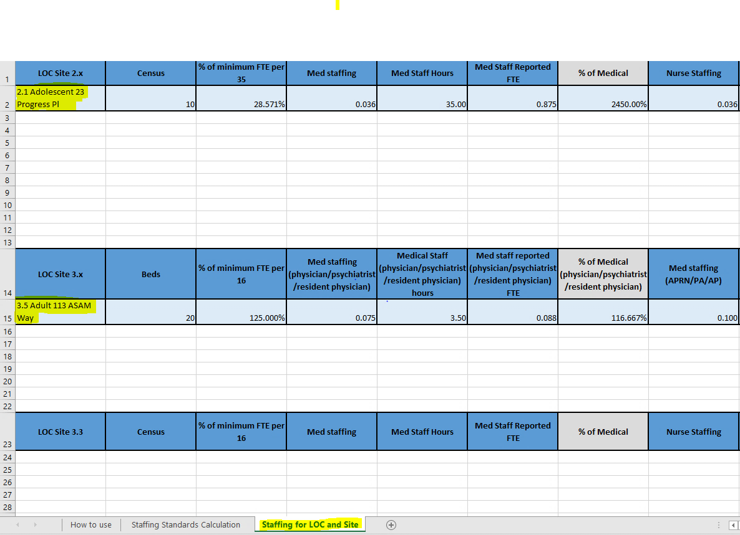 5. After all sites staff are represented for the LOC click the excel line number assocated with the LOC and copy. Open the "Staffing for LOC and Site" excel sheet and paste the line with "Paste special" option "% 123" under the correctly broken out level types that are based on staffing standards. Change the name of the LOC to indicate LOC and site address *see address examples in step 6
6. Repeat above steps for each anticipated LOC and site* where CSTAR services are provided

